IMPORTANT INFORMATION
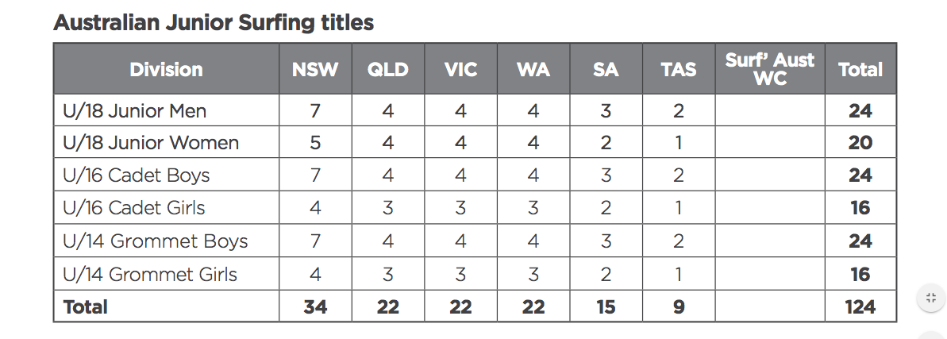
AUSTRALIAN JUNIOR SURFING TITLES BREAKDOWN |  |  |  |  | INJURY WILDCARDS
 |  |  |  |  | 1. Competitor injured supplies doctors certificate
DATE: | 1st - 8th December 2018 |  |  |  | 2. If there are no injury submissions with legitimate doctors certificates then we will review overseas WSL events i.e SuperGirl Pro etc.
LOCATION: | Fleurieu, Peninsula, South Australia |  |  |  | 3. If there are no injury wildcards or competitors competing overseas then the allocation will be filled with highest ranked on the WSL Pro Junior Rankings on the 20th July 2018.
 |  |  |  |  | 4. If two competitors are competing overseas in the same event and both make it to the same round, then we look off the highest ranked surfer on the pro junior rankings as of the 20th July 2018.
BREAKDOWN | U/18 BOYS | U/16 BOYS | U/18 GIRLS | U/16 GIRLS
TOTAL TEAM NSW | 7 | 7 | 5 | 4
NSW STATE TITLES | 6 | 6 | 4 | 3
SNSW RANKING SYSTEM | 0 | 0 | 0 | 0
State Titles Injury WILD CARD | 1 | 1 | 1 | 1

STATES RULE BOOK ALLOCATIONS

