Format
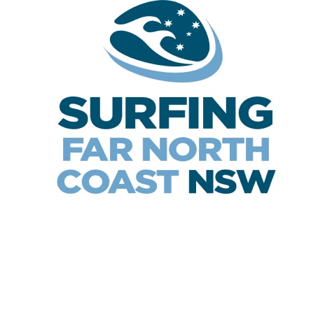
SURFING FAR NORTH COAST JUNIOR REGIONAL TITLES 2018
Presented by Summerland Credit Union
Venue : Lennox/Ballina

MEET AT LENNOX HEAD MAIN BEACH - front of the pub - AT 6.45AM FOR 7.30AM START

Dates : 19th and 20th May 2018
FORMAT SUBJECT TO CHANGE WITHOUT NOTICE
Event Contact Number Tony O'Brien 0434047726

Please Note : All heats are 20 minutes, best 2 waves

19th May 2018 |  |  |  |  |  |  | 20th May 2018
Heat No. |  |  |  |  | 7:30am Start |  |  |  |  |  | 7:30am Start
1 | UNDER 18 | BOYS | ROUND 1 | HEAT 1 |  | 1 | UNDER 12 | BOYS | REQUAL 1 | HEAT 1
2 | UNDER 18 | BOYS | ROUND 1 | HEAT 2 |  | 2 | UNDER 18 | BOYS | REQUAL 2 | HEAT 1
3 | UNDER 18 | BOYS | ROUND 1 | HEAT 3 |  | 3 | UNDER 16 | BOYS | REQUAL 2 | HEAT 1
4 | UNDER 12 | GIRLS | FINAL 1 | HEAT 1 |  | 4 | UNDER 14 | BOYS | Q-FINAL | HEAT 1
5 | UNDER 12 | BOYS | ROUND 1 | HEAT 1 |  | 5 | UNDER 14 | BOYS | Q-FINAL | HEAT 2
6 | UNDER 12 | BOYS | ROUND 1 | HEAT 2 |  | 6 | UNDER 14 | BOYS | Q-FINAL | HEAT 3
7 | UNDER 12 | BOYS | ROUND 1 | HEAT 3 |  | 7 | UNDER 14 | BOYS | Q-FINAL | HEAT 4
8 | UNDER 14 | BOYS | ROUND 1 | HEAT 1 |  | 8 | UNDER 18 | BOYS | SEMI-FINAL | HEAT 1
9 | UNDER 14 | BOYS | ROUND 1 | HEAT 2 |  | 9 | UNDER 18 | BOYS | SEMI-FINAL | HEAT 2
10 | UNDER 14 | BOYS | ROUND 1 | HEAT 3 |  | 10 | UNDER 16 | BOYS | SEMI-FINAL | HEAT 1
11 | UNDER 14 | BOYS | ROUND 1 | HEAT 4 |  | 11 | UNDER 16 | BOYS | SEMI-FINAL | HEAT 2
12 | UNDER 16 | GIRLS | ROUND 1 | HEAT 1 |  | 12 | UNDER 16 | GIRLS | SEMI-FINAL | HEAT 1
13 | UNDER 16 | GIRLS | ROUND 1 | HEAT 2 |  | 13 | UNDER 16 | GIRLS | SEMI-FINAL | HEAT 2
14 | UNDER 16 | BOYS | ROUND 1 | HEAT 1 |  | 14 | UNDER 14 | BOYS | SEMI-FINAL | HEAT 1
15 | UNDER 16 | BOYS | ROUND 1 | HEAT 2 |  | 15 | UNDER 14 | BOYS | SEMI-FINAL | HEAT 2
16 | UNDER 16 | BOYS | ROUND 1 | HEAT 3 |  | 16 | UNDER 12 | BOYS | SEMI-FINAL | HEAT 1
17 | UNDER 18/14 | GIRLS | FINAL 1 | HEAT 1 |  | 17 | UNDER 12 | BOYS | SEMI-FINAL | HEAT 2
18 | UNDER 18 | BOYS | REQUAL 1 | HEAT 1 |  | 18 | UNDER 12 | GIRLS | FINAL 2 | HEAT 1
19 | UNDER 18 | BOYS | REQUAL 1 | HEAT 2 |  | 19 | UNDER 12 | BOYS | FINAL | HEAT 1
20 | UNDER 16 | BOYS | REQUAL 1 | HEAT 1 |  | 20 | UNDER 14 | BOYS | FINAL | HEAT 1
21 | UNDER 16 | BOYS | REQUAL 1 | HEAT 2 |  | 21 | UNDER 16 | GIRLS | FINAL | HEAT 1
22 | UNDER 16 | GIRLS | REQUAL 1 | HEAT 1 |  | 22 | UNDER 16 | BOYS | FINAL | HEAT 1
23 | UNDER 14 | BOYS | REQUAL 1 | HEAT 1 |  | 23 | UNDER 18/14 | GIRLS | FINAL 2 | HEAT 1
24 | UNDER 14 | BOYS | REQUAL 1 | HEAT 2 |  | 24 | UNDER 18 | BOYS | FINAL | HEAT 1

U16 Boys
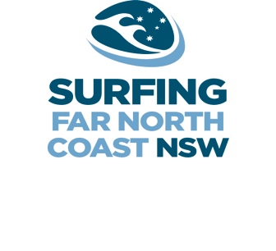
 | U16 BOYS

ROUND ONE |  | Heat Total | Place
Rd1 Ht1 |  |  | 1
Red | Jai Glinderman
Yellow | Rino Lindsay
Green | Max Hutchinson |  |  | REQUALIFY ONE |  | Heat Total | Place |  |  |  |  | SEMI FINALS |  | Heat Total | Place
Blue | Grayson Barnard |  |  | Ht1 |  |  | 4 |  |  |  |  | Ht1 |  |  | 7
 |  |  |  | Red | 3.1 |  |  |  |  |  |  | Red | 1.1
Rd1 Ht2 |  |  | 2 | Yellow | 4.2 |  |  | REQUALIFY TWO |  | Heat Total | Place | Yellow | 2.1 |  |  | FINAL |  | Heat Total | Place
Red | Jack O'Brien |  |  | Green | 4.3 |  |  | Ht1 |  |  | 6 | Green | 2.2 |  |  |  |  |  | 9
Yellow | Hunter Weston |  |  |  |  |  |  | Red | 1.4 |  |  | Blue | 1.6 |  |  | Red | 1.7
Green | Sebastian Bungate |  |  |  |  |  |  | Yellow | 2.4 |  |  |  |  |  |  | Yellow | 2.7
Blue | Jake Bill |  |  |  |  |  |  | Green | 1.5 |  |  | Ht2 |  |  | 8 | Green | 1.8
 |  |  |  | Ht2 |  |  | 5 | Blue | 2.5 |  |  | Red | 1.2 |  |  | Blue | 2.8
Rd1 Ht3 |  |  | 3 | Red | 4.1 |  |  |  |  |  |  | Yellow | 1.3
Red | Touma Cameron |  |  | Yellow | 3.2 |  |  |  |  |  |  | Green | 2.3
Yellow | Angus Baker |  |  | Green | 3.3 |  |  |  |  |  |  | Blue | 2.6
Green | Tobey Carpenter
Blue | Jonothan Robinson

