Schedule
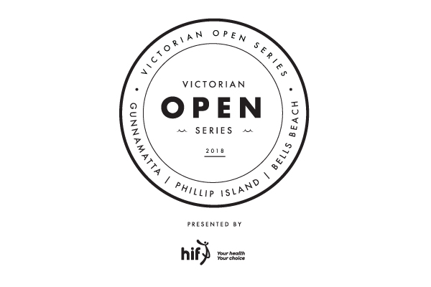
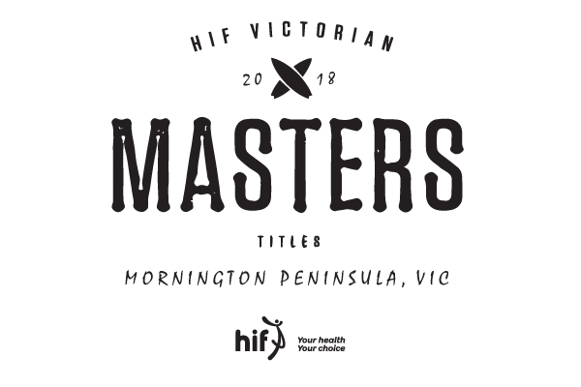

2018 Victorian Open Series Rnd 1 &
HIF Victorian Masters Titles

20th & 21st January - Gunnamatta

Schedule
8am check in for an 8:30am start at Gunnamatta
Saturday 20th January

Open Men Rnd 1 H1-6
Open Women Rnd 1 H1-3
Open Men Rnd 2 H1-3
Open Women Semi Final 1 & 2
Open Men Semi Final 1 & 2
Open Women Final
Open Men Final

Sunday 21st January
8am check in for an 8:30am start at Gunnamatta
Over 40 Rnd 1 H1-3
Over 50 Rnd 1 H1-3
Over 35 Rnd 1 H1-2
Over 55 Rnd 1 H1-2
Over 40 Semi Finals 1 & 2
Over 50 Semi Finals 1 & 2
Over 45 Final
Over 55 Final
Over 60 Final
Single Fin Final
Over 40 Final
Over 50 Final
Over 35 Womens Final
Over 35 Final


Schedule Subject to change, check with contest director before leaving beach

